Pizza
PIZZA | TOPPINGS | Char 10 = line break
Pizza1 | Extra Cheese, Garlic | Char 32 = Space
Pizza2 | Sausage, Pepperoni, Basil | Char 160 = non-breaking space
Pizza3 | Sausage, Mushrooms
Pizza4 | Olives, Peppers
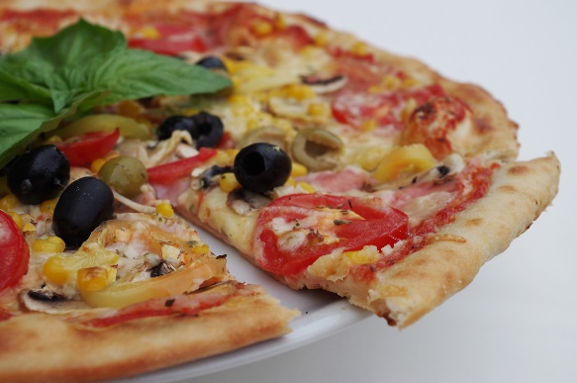
Pizza5 | Extra Cheese, Basil, Mushrooms
Pizza6 | Sausage
Pizza7 | Olives, Onions
Pizza8 | Extra Cheese, Sausage
Pizza9 | Mushrooms, Pepperoni, Garlic
Pizza10 | Extra Cheese
Pizza11 | Mushrooms, Olives, Basil, Extra Cheese
Pizza12 | Extra Cheese, Sausage
Pizza13 | Basil, Musrooms
Pizza14 | Mushrooms
Pizza15 | Peppers, Extra Cheese, Olives

